Instructions
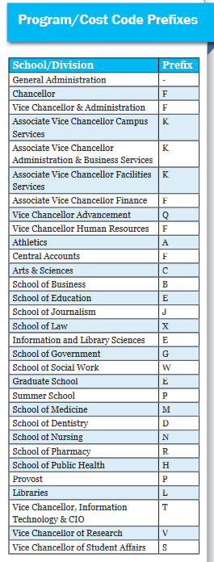
Instructions for completing Request for Chartfield Value forms.
Please note that special characters should not be used in the value or descriptions.
If submitted with special characters, your request could be delayed or returned for clarification or corrections as required.

SETID
Two options available. Please enter the option for your unit - either UNC Chapel Hill or UNC General Administration.
UNCCH | UNC Chapel Hill
UNCGA | General Administration

Program
The program value must be five characters in total and prefixed with your designated MOU assigned letter(s).
Mixed alpha + numerics are allowed, however you must have the MOU prefix letter(s) as the first character(s). Refer to chart.→
All alpha characters must be in CAPS in the value assigned.
Description text should be in proper case. You can use abbreviations, however, please use proper case where possible.
Short Descr | Up to a total of ten (10) characters. Can be mixed alpha + numeric.
Descr | Up to a total of thirty (30) characters. Can be mixed alpha + numeric.
Long Descr | Up to a total of two hundred fifty six (256) characters. Can be mixed alpha + numeric.
EmplID - assigned PID number. This is optional, not required.
Name - the name associated with the PID provided. This will validate the PID provided.
Eff Date - the date (xx/xx/xxxx) the value is to be activated/inactivated.
Status - the requested status of the program value.
A | Active
I | Inactive
Budget only - all program values will be assigned N (no).

All Cost Codes Values (CC1, CC2 and CC3)
Cost code values must be ten characters in total and prefixed with your designated MOU assigned letter(s).
Mixed alpha + numerics are allowed, however you must have the MOU prefix letter(s) as the first character(s).
All alpha characters must be in CAPS in the value assigned.
Description text should be in proper case. You can use abbreviations, however, please use proper case where possible.
Short Descr | Up to a total of ten (10) characters. Can be mixed alpha + numeric.
Descr | Up to a total of thirty (30) characters. Can be mixed alpha + numeric.
Long Descr | Up to a total of two hundred fifty six (256) characters. Can be mixed alpha + numeric.
EmplID - assigned PID number. This is optional, not required.
Name - the name associated with the PID provided. This will validate the PID provided.
Eff Date - the date (xx/xx/xxxx) the value is to be activated/inactivated.
Status - status of the cost code value.
A | Active
I | Inactive
Budget only - all cost code values will be assigned N (no).

